Design Details
Sr.No | Company Name | Part Image | Part Name | Amount
600 | Mg Fixtures | 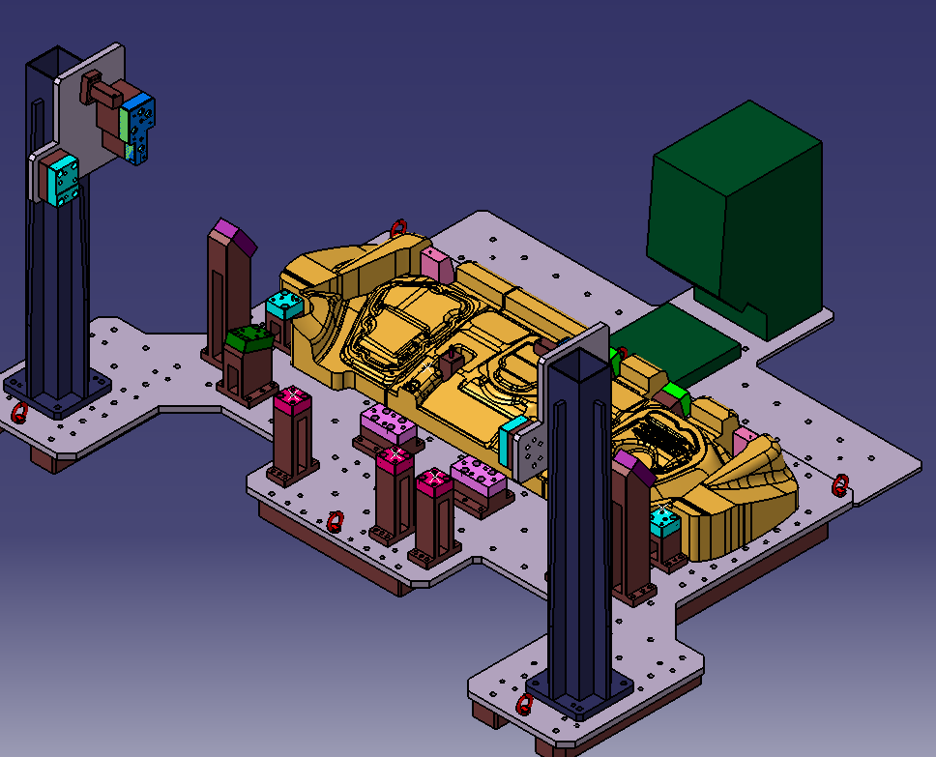 | L384 | 7000
601 | Mg Fixtures | 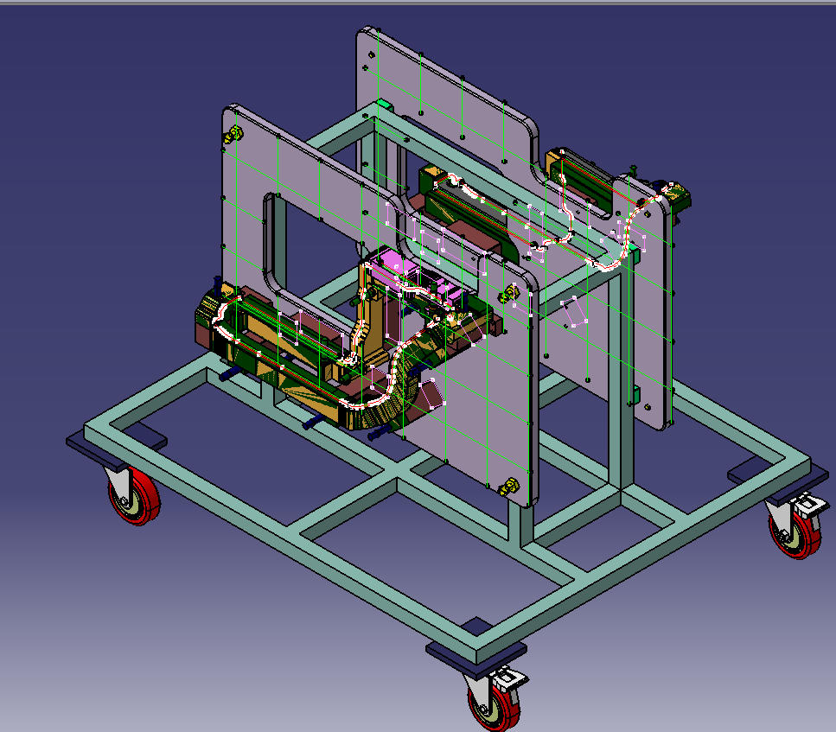 | Garnish_Front_Floor_Side_LH | 4000
602 | Mg Fixtures |  | Garnish_Front_Floor_Side_RH | 4000
603 | Mg Fixtures | 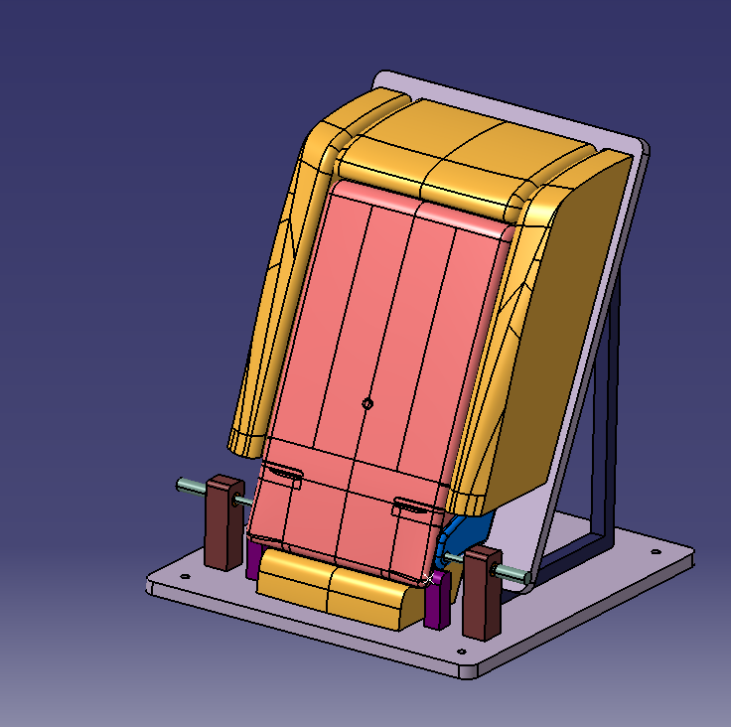 | Arm_Rest | 3000
604 | Mg Fixtures | 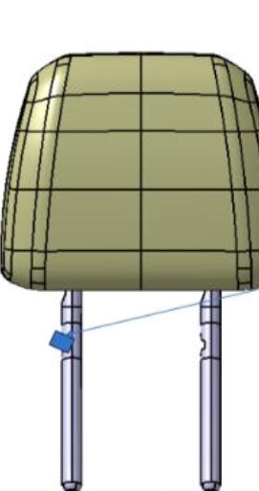 |  | 2500
605 | Mg Fixtures |  |  | 2500
606 | Mg Fixtures |  |  | 2500
 | Mg Fixtures | 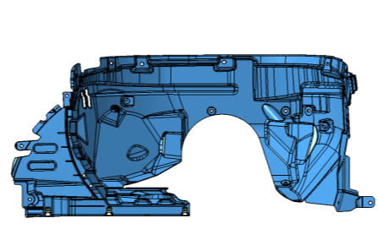 | Lining Fender LH_RH | 1500

